Dashboard
Profit by Market & Cookie Type
 | Chocolate Chip | Fortune Cookie | Oatmeal Raisin | Snickerdoodle | Sugar
India | $234,576 | $25,192 | $81,852 | $87,013 | $72,188
United Kingdom | $214,821 | $25,026 | $88,491 | $85,143 | $62,608
United States | $208,404 | $25,290 | $99,316 | $64,548 | $60,377
Malaysia | $189,846 | $25,403 | $79,509 | $68,060 | $45,726
Philippines | $167,082 | $22,449 | $85,722 | $62,360 | $54,479
Units sold each month
 | Total
Jan | $57,869
Feb | $47,222
Mar | $46,729
Apr | $67,434
May | $44,756
Jun | $86,349
Jul | $58,101
Aug | $50,940
Sep | $93,356
Oct | $171,519
Nov | $103,946
Dec | $135,177

Profit by month
 | Total
Jan | $138,909
Feb | $110,316
Mar | $107,737
Apr | $159,524
May | $104,058
Jun | $195,718
Jul | $137,358
Aug | $121,621
Sep | $218,572
Oct | $388,335
Nov | $233,986
Dec | $319,345

Profit by month
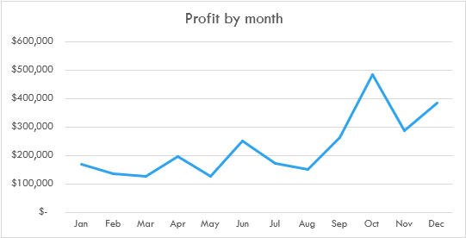
Row Labels | Sum of Profit
Jan | $171,318
Feb | $135,968
Mar | $129,483
Apr | $196,766
May | $126,857
Jun | $250,815
Jul | $173,934
Aug | $153,357
Sep | $265,778
Oct | $484,487
Nov | $289,837
Dec | $384,765
Grand Total | $2,763,364

Units sold each month
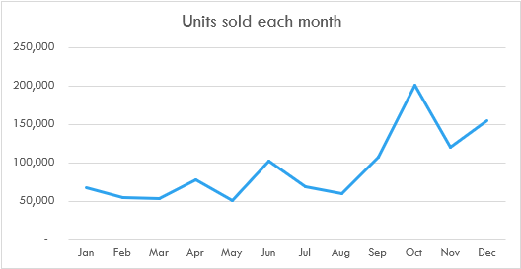
Row Labels | Sum of Units Sold
Jan | 67,841
Feb | 55,115
Mar | 53,420
Apr | 78,893
May | 51,771
Jun | 103,302
Jul | 69,355
Aug | 60,705
Sep | 107,881
Oct | 201,104
Nov | 121,131
Dec | 155,306
Grand Total | 1,125,824

Profit by country and cookie
Sum of Profit | Column Labels
Row Labels | Chocolate Chip | White Chocolate Macadamia Nut | Oatmeal Raisin | Snickerdoodle | Sugar | Fortune Cookie | Grand Total
India | $234,576 | $105,511 | $81,852 | $87,013 | $72,188 | $25,192 | $606,332
United Kingdom | $214,821 | $118,983 | $88,491 | $85,143 | $62,608 | $25,026 | $595,072
United States | $208,404 | $116,223 | $99,316 | $64,548 | $60,377 | $25,290 | $574,158
Malaysia | $189,846 | $86,255 | $79,509 | $68,060 | $45,726 | $25,403 | $494,799
Philippines | $167,082 | $100,913 | $85,722 | $62,360 | $54,479 | $22,449 | $493,005
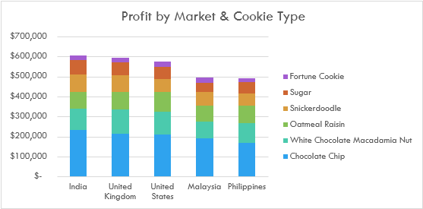
Grand Total | $1,014,729 | $527,885 | $434,890 | $367,123 | $295,377 | $123,361 | $2,763,364

Uni Month
Units sold each month
Row Labels | Sum of Units Sold
Jan | $57,869
Feb | $47,222
Mar | $46,729
Apr | $67,434
May | $44,756
Jun | $86,349
Jul | $58,101
Aug | $50,940
Sep | $93,356
Oct | $171,519
Nov | $103,946
Dec | $135,177
Grand Total | $963,398

Profi by Country
Profit by Market & Cookie Type
Sum of Profit | Column Labels
Row Labels | Chocolate Chip | Fortune Cookie | Oatmeal Raisin | Snickerdoodle | Sugar | Grand Total
India | $234,576 | $25,192 | $81,852 | $87,013 | $72,188 | $500,820
United Kingdom | $214,821 | $25,026 | $88,491 | $85,143 | $62,608 | $476,089
United States | $208,404 | $25,290 | $99,316 | $64,548 | $60,377 | $457,935
Malaysia | $189,846 | $25,403 | $79,509 | $68,060 | $45,726 | $408,544
Philippines | $167,082 | $22,449 | $85,722 | $62,360 | $54,479 | $392,092
Grand Total | $1,014,729 | $123,361 | $434,890 | $367,123 | $295,377 | $2,235,480

Pro by month
Profit by month
Row Labels | Sum of Profit
Jan | $138,909
Feb | $110,316
Mar | $107,737
Apr | $159,524
May | $104,058
Jun | $195,718
Jul | $137,358
Aug | $121,621
Sep | $218,572
Oct | $388,335
Nov | $233,986
Dec | $319,345
Grand Total | $2,235,480

